summary-Q1
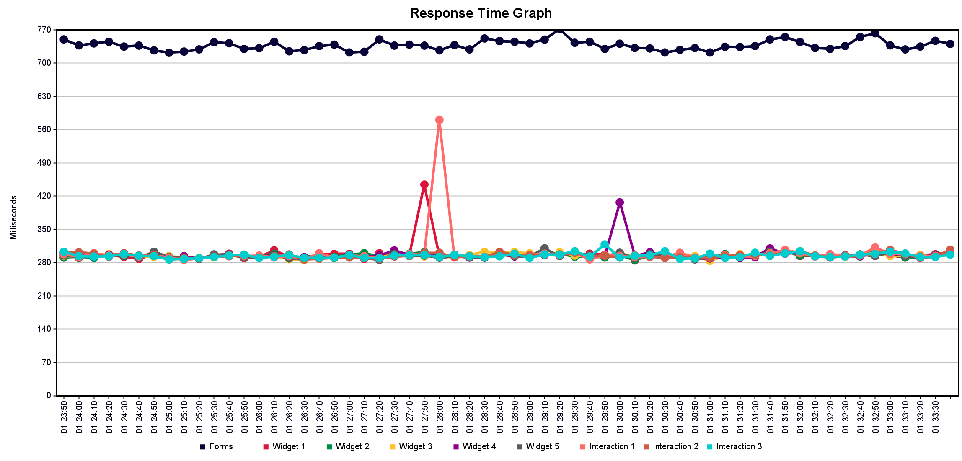
Label | # Samples | Average | Min | Max | Std. Dev. | Error % | Throughput | Received KB/sec | Sent KB/sec | Avg. Bytes
Forms | 100 | 737 | 713 | 772 | 11.9 | 0 | 0.16814 | 0.63 | 0.04 | 3843
Widget 1 | 100 | 298 | 282 | 594 | 30.18 | 0 | 0.16827 | 0.63 | 0.04 | 3828
Widget 2 | 100 | 294 | 283 | 315 | 5.13 | 0 | 0.16827 | 0.63 | 0.04 | 3830
Widget 3 | 100 | 295 | 284 | 311 | 5.22 | 0 | 0.16827 | 0.63 | 0.04 | 3831
Widget 4 | 100 | 297 | 283 | 514 | 22.36 | 0 | 0.16827 | 0.63 | 0.04 | 3823
Widget 5 | 100 | 295 | 283 | 321 | 5.73 | 0 | 0.16827 | 0.63 | 0.04 | 3823
Interaction 1 | 100 | 301 | 285 | 867 | 57.15 | 0 | 0.16827 | 0.63 | 0.04 | 3827
Interaction 2 | 100 | 294 | 284 | 320 | 5.65 | 0 | 0.16827 | 0.63 | 0.04 | 3828
Interaction 3 | 100 | 294 | 282 | 346 | 7.24 | 0 | 0.16828 | 0.63 | 0.04 | 3828
TOTAL | 900 | 345 | 282 | 867 | 140.62 | 0 | 1.48725 | 5.56 | 0.35 | 3829

summary-Q2
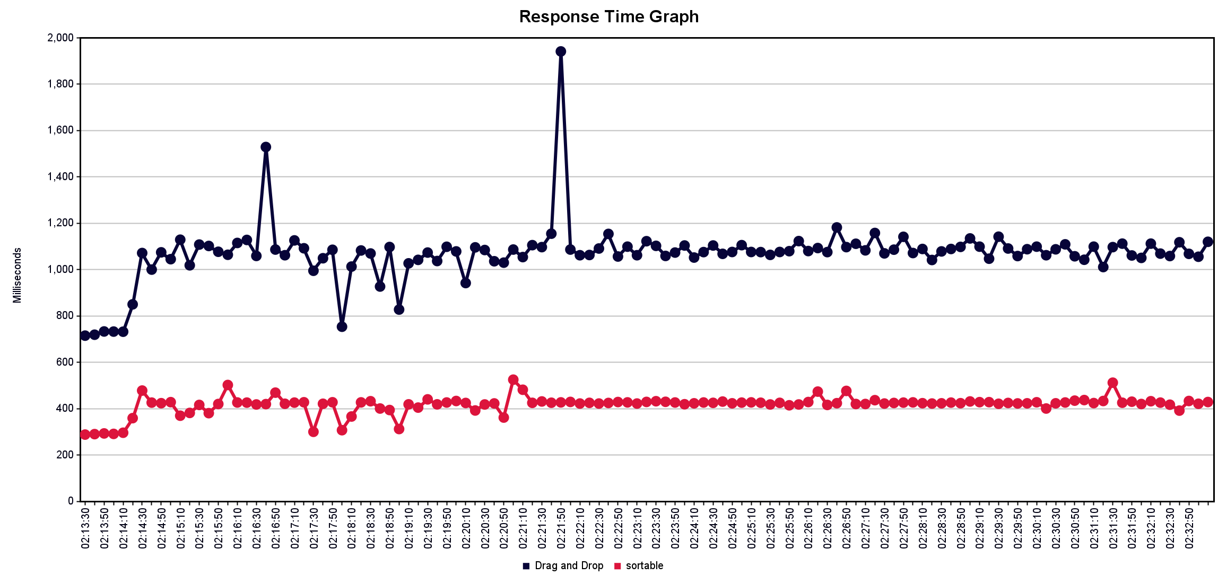
Label | # Samples | Average | Min | Max | Std. Dev. | Error % | Throughput | Received KB/sec | Sent KB/sec | Avg. Bytes
Drag and Drop | 200 | 1067 | 703 | 2842 | 161.12 | 0 | 0.16735 | 0.63 | 0.04 | 3828
sortable | 200 | 416 | 285 | 532 | 41.7 | 0 | 0.16739 | 0.63 | 0.04 | 3827
TOTAL | 400 | 742 | 285 | 2842 | 346.21 | 0 | 0.3343 | 1.25 | 0.08 | 3827.5

